Blad1
Source | Chapter | Purpose | Result | Type | Action | Env or file | Command | Definition
djangogirls-tutorial-en.pdf
 | Virtual environment
 |  | Django project running!
 |  |  |  | Terminal |  |  | mkdir djangoxss | project=djangoxss
 |  |  |  | Terminal |  |  | cd djangoxss | /Users/peterwerk/Development/Projects/Python/Tutorials/DjangoXss
 |  |  |  | Terminal |  |  | python3 -m venv xssvenv | env=xssvenv
 |  |  |  | Terminal |  |  | source xssenv/bin/activate
 |  |  |  | venv |  |  | python -m pip install --upgrade pip | Django~=2.0.6
 |  |  |  | File | Crt | djangoxss/requirements.txt | Django~=2.0.6
 |  |  |  | venv |  |  | pip install -r requirements.txt | Installs Django (the 1 line in requirements.txt)
 |  |  |  | venv |  |  | django-admin startproject testxss . | Do not forget the dot (current dir)
 |  |  |  | File | Add in | settings.py | STATIC_ROOT = os.path.join(BASE_DIR, 'static') | After STATIC_URL = '/static/'
 |  |  |  | File | Chg |  | ALLOWED_HOSTS = ['127.0.0.1', '.pythonanywhere.com']
 |  |  |  | File | Chk |  | DATABASES = { 'default': { 'ENGINE': 'django.db.backends.sqlite3', 'NAME': os.path.join(BASE_DIR, 'db.sqlite3'), } }
 |  |  |  | venv |  |  | python manage.py migrate
 |  |  |  | venv |  |  | python manage.py runserver | http://127.0.0.1:8000/
 |  |  | Webapp xssapp is running on localhost!
 |  | Django models
 |  |  |  | venv |  |  | python manage.py startapp xssapp
 |  |  |  | File |  | settings.py | in INSTALLED_APPS, add 'xssapp' | Do not forget the comma
 |  |  |  | File | Rpl | xssapp/models.py | from django.conf import settings from django.db import models from django.utils import timezone class Post(models.Model): author = models.ForeignKey(settings.AUTH_USER_MODEL, on_delete=models.CASCADE) title = models.CharField(max_length=200) text = models.TextField() created_date = models.DateTimeField(default=timezone.now) published_date = models.DateTimeField(blank=True, null=True) def publish(self): self.published_date = timezone.now() self.save() def __str__(self): return self.title
 |  |  |  | venv |  |  | python manage.py makemigrations xssapp
 |  |  |  | venv |  |  | python manage.py migrate xssapp
 |  |  |  | File | Rpl | xssapp/admin.py | from django.contrib import admin from .models import Post admin.site.register(Post)
 |  |  |  | venv |  |  | python manage.py runserver | http://127.0.0.1:8000/admin/
 |  |  |  | venv |  |  | python manage.py createsuperuser | Credentials and email address you choose
 |  |  | In my webapp I can locally create Posts in sqlite3 ! |  |  |  |  | 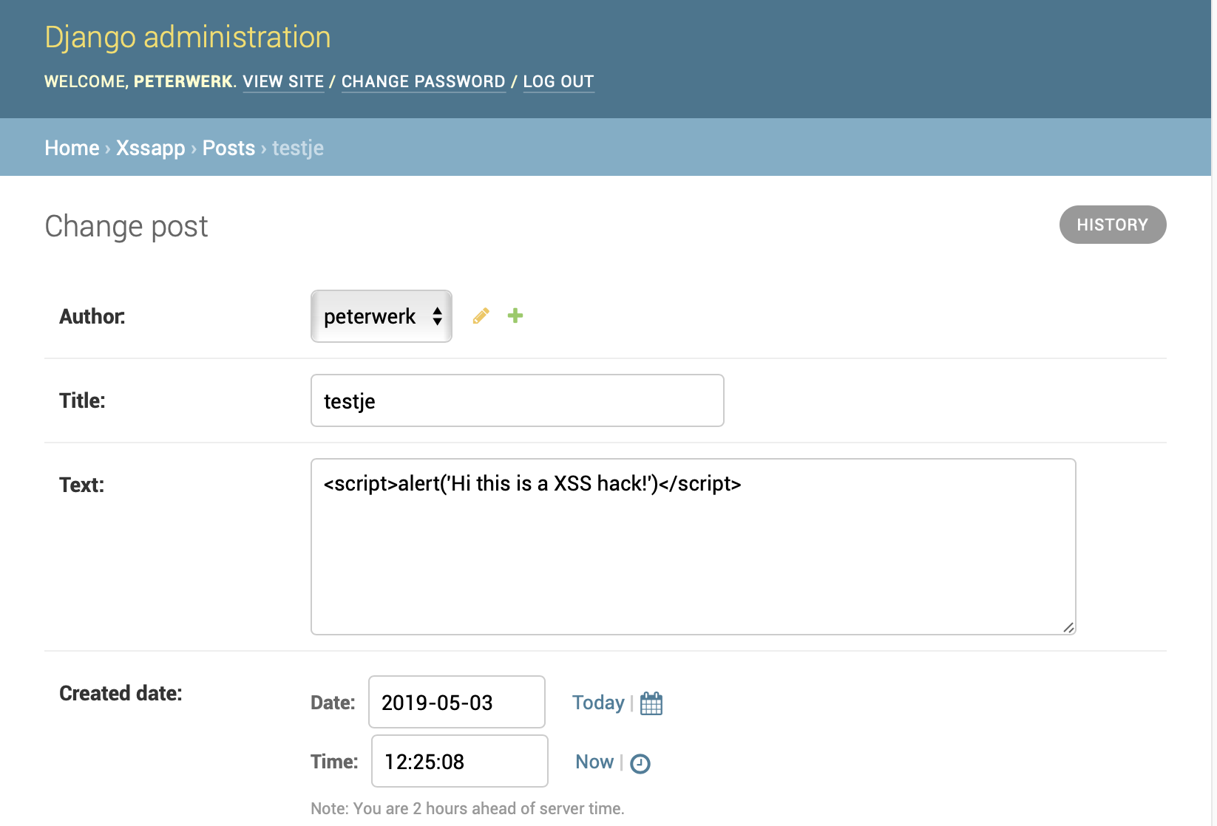
 |  | Deploy! - Git and GitHub
 |  |  |  | web |  |  | install Git | https://git-scm.com/
 |  |  |  | Terminal |  |  | cd to djangoxss
 |  |  |  | Terminal |  |  | git init
 |  |  |  | File | Crt | djangoxss/.gitignore | *.pyc *~ __pycache__ myvenv db.sqlite3 /static .DS_Store | Use "Save As"
 |  |  |  | Terminal |  |  | git status
 |  |  |  | Terminal |  |  | git add --all
 |  |  |  | Terminal |  |  | git commit -m "First commit"
 |  |  |  | web |  |  | create repository "xss-test" | README(False), .gitignore(blank), License(None)
 |  |  |  | web |  |  | clone the url
 |  |  |  | Terminal |  |  | git remote add origin https://github.com/<my-github-username>/xss-test.git
 |  |  |  | Terminal |  |  | git push -u origin master
 |  |  | My webapp has been deployed to GitHub !
 |  | Deploy! - PythonAnywhere
 |  |  |  | web |  |  | create PythonAnywhere API token (once) | PythonAnywhere > Log on > Account > press "Create a new API token"
 |  |  |  | Terminal |  |  | pip3.6 install --user pythonanywhere | This is to install pythonanywhere helper (for pulling GitHub repo, config PythonAnywhere and start serving it aa a web app.)
 |  |  |  | web |  |  | Select console | PythonAnywhere > Dashboard > press "$ Bash"
 |  |  |  | web console |  |  | pa_autoconfigure_django.py https://github.com/<my-github-username>/xss-test.git
 |  |  |  | web console |  | (myUsername.pythonanywhere.com) $ | python manage.py createsuperuser | you may use same credentials
 |  |  |  | web |  |  | Get your internet address | PythonAnywhere > Web
 |  |  | My webapp is on the internet !

